P01-51da2d_026603ab015a446fe7a5
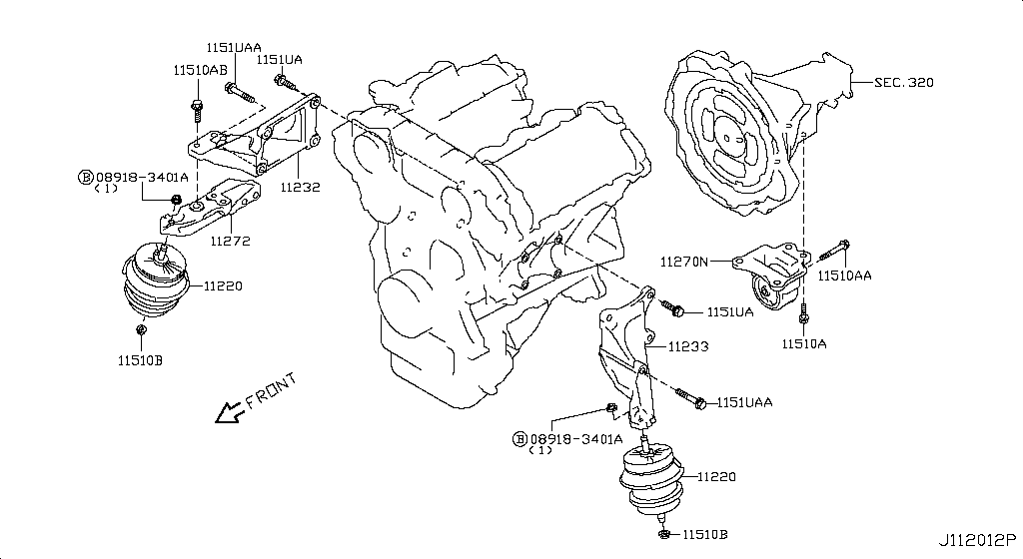
51da2d_026603ab015a446fe7a505bab1394f7f

P02-51da2d_02d08ac825c4a22342eb
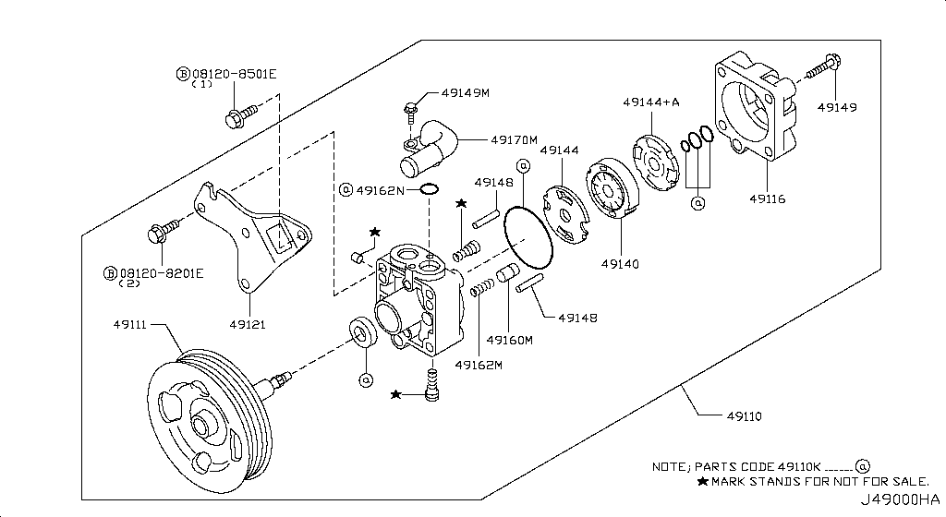
51da2d_02d08ac825c4a22342eb8f8f470e0120

